Balloon Loan Amortization Sched
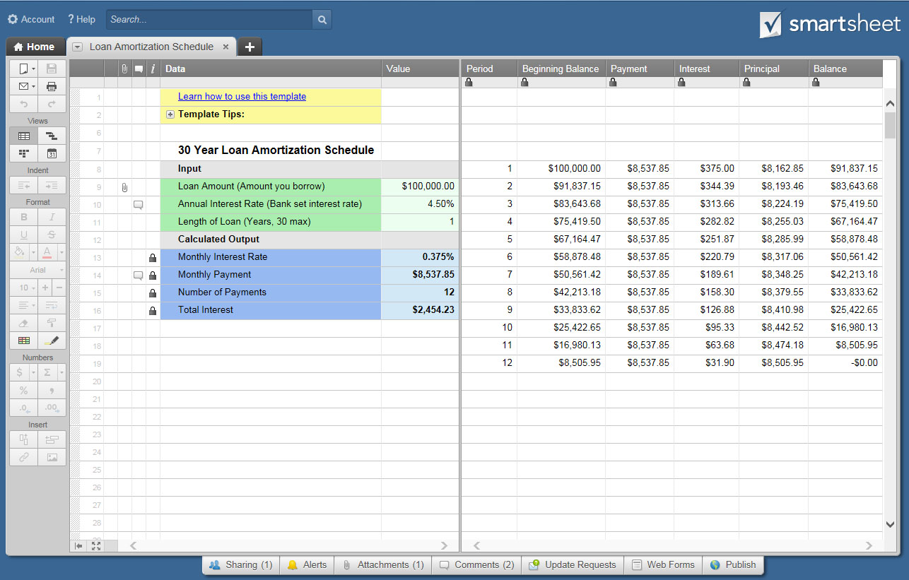
BALLOON LOAN AMORTIZATION SCHEDULE

LENDER NAME |  |  |  |  | DATA |  | VALUE
LENDER ADDRESS |  |  |  |  | INPUT
 |  |  |  |  | PURCHASE PRICE |  | $100,000.00
 |  |  |  |  | PERCENT OF DOWN PAYMENT |  | 20%
LENDER PHONE |  |  |  |  | TOTAL DOWN PAYMENT |  | $20,000.00
LENDER WEB |  | www. |  |  | LOAN AMOUNT |  | $80,000.00
CONTACT EMAIL |  |  |  |  | ANNUAL INTEREST RATE |  | 4.50%
LOAN TYPE |  |  |  |  | AMORTIZATION PERIOD |  | 20
DATE OF LOAN |  |  |  |  | NUMBER OF PAYMENTS |  | 10
NAME ON LOAN |  |  |  |  | INTEREST ONLY |  | NO
 |  |  |  |  | FIRST PAYMENT DATE |  | 2018-05-01
 |  |  |  |  | *** Complete WHITE fields above only ***
 |  |  |  |  | CALCULATED OUTPUT
 |  |  |  |  | MONTHLY PAYMENT |  | $4,159.37
 |  |  |  |  | BALLOON PAYMENT |  | $44,907.85
 |  |  |  |  | TOTAL AMOUNT PAID |  | $82,342.18
 |  |  |  |  | INTEREST TOTAL |  | $2,342.18
BALLOON LOAN AMORTIZATION SCHEDULE
PYMNT PERIOD | DATE OF PAYMENT | BEGINNING BALANCE | SCHEDULED PAYMENT | INTEREST | PRINCIPAL | BALANCE
 |  |  |  |  |  | $80,000.00
1 | 2018-05-01 | $80,000.00 | $4,159.37 | $300.00 | $3,859.37 | $76,140.63
2 | 2018-06-01 | $76,140.63 | $4,159.37 | $285.53 | $3,873.84
3 | 2018-07-01 | $72,266.79 | $4,159.37 | $271.00 | $3,888.37
4 | 2018-08-01 | $68,378.42 | $4,159.37 | $256.42 | $3,902.95
5 | 2018-09-01 | $64,475.47 | $4,159.37 | $241.78 | $3,917.59
6 | 2018-10-01 | $60,557.88 | $4,159.37 | $227.09 | $3,932.28
7 | 2018-11-01 | $56,625.60 | $4,159.37 | $212.35 | $3,947.02
8 | 2018-12-01 | $52,678.58 | $4,159.37 | $197.54 | $3,961.83
9 | 2019-01-01 | $48,716.75 | $4,159.37 | $182.69 | $3,976.68
10 | 2019-02-01 | $44,740.07 | $44,907.85 | $167.78 | $44,740.07

CLICK HERE TO CREATE BALLOON LOAN AMORTIZATION SCHEDULE TEMPLATES IN SMARTSHEET

